1. Title Page
Grocery Basket Analysis

Project Name: Instacart Grocery Basket Analysis
Date: November 29, 2023
Analyst Name: Karen Stonecypher

Contents:
Population Flow
Consistency checks
Wrangling steps
Column derivations
Visualizations
Recommendations

Data Citation:
"The Instacart Online Grocery Shopping Dataset 2017," Accessed from
www.instacart.com/datasets/grocery-shopping-2017 via Kaggle on 9/26/2023

2. Population Flow
Population flow

Exclusion flag
Condition: max_order < 5
Obervations to be removed: 1,440,295
Final total count of order_products_all: 30,964,564

Orders_products_combined
Orders_products_merged
Orders_products_all

Total: 32,404,859
Total: 32,434,489
Total: 32,404,859

1.) The grey boxes in the first row of the population flow represent the original data sets as they were when you downloaded them. In the Total fields you need to add the count of the rows when you imported the data set into Jupyter.
2.) The second row of boxes (coloured) represents the data sets after you manipulated them, e.g., removed missing values and duplicates. In the Total fields you need to add the count of the rows after conducting these operations. This offers a visual oveview of how the data flows throughout the data consistency checks.
3.) The third row, where also the arrows are coloured, represents the merges you performed between the datasets. In the Total fields you need to add the count of the rows in the merged datasets, so that you end up with the final dataset (in the red box). Keep in mind the final dataset should be without exclusions (based on the exclusion flag).

3. Consistency checks
Consistency checks

Dataset | Missing values | Missing values treatment | Duplicates
orders | 206,209 missing values from days_since_prior_order column. | Missing values are indicative of customers who have only placed on order. This is useful information and so no action is taken. This data was checked using crosstabs. | None
products | 16 missing product names | excluded by creating subset 'df_prods_clean' | 5 duplicate records--excluded by creating subset 'df_prods_clean_no_dups'
orders_products_prior | None | NA | None
customers | 11,259 missing first names | None, these will not affect the data analysis. | None
ords_prods_merged_flagged | 5,127 records had unexplained outliers in the prices column | These outlier values were replaces with NaN and treated as missing. | None
orders_products_all | 5,127 missing prices from outlier values changed to NaN | None, these are missing on purpose | None
orders_products_all | 2,076,096 missing 'days_since_prior_order' | None, these are customers who have not yet reordered | None

4. Wrangling steps
Wrangling steps

Columns dropped | Columns renamed | Columns' type changed | Comment/Reason
eval_set |  |  | Dropped 'eval_set' because it wasn't relevant for the analysis.
Unnamed: 0 |  |  | Dropped extra index column that wasn't needed.
 | 'orders_dow' to 'orders_day_of_week' |  | Changed column name to be more understandable.
 | 'First Name' to 'First_Name' |  | Changed column name to remove space.
 | 'Surnam' to 'Last_Name' |  | Changed column name to be more understandable.
 | 'STATE' to 'State' |  | Changed column name for more consistant capitalization
 | 'n_dependants' to 'number_of_dependants' |  | Changed column name to be more understandable.
 | 'prices_total' to 'order_total' |  | Changed name to represent contents of column
 |  | 'order_id' to string in orders data set | Changed data type to string to match the kind of data in the column.
 |  | 'order_number' to string in orders data set | Changed data type to string to match the kind of data in the column.
 |  | 'user_id' to string in orders data set | Changed data type to string to match the kind of data in the column.
 |  | 'user_id' to string in customers data set | Changed data type to string to match the kind of data in the column.
 |  | 'age' to int8 in customers data set | Changed data type to int8 to save memory
 |  | 'number_of_dependants' to int8 in customers data set | Changed data type to int8 to save memory
 |  | 'first_name' to string in customers data set | Changed a mixed-data type to string to match the kind of data in the column
 |  | 'income' to int32 in customers data set | Changed data type to int32 to save memory
 |  | 'First_Name' and 'Last_Name' removed | This is PII and was removed for privacy and securitiy

5. Column derivations
In this tab you should add tables below that the frequences of flags/label variables that you produced after deriving them. NB: don't do this for continuous variables, only for flags.
Column derivations and aggregations

Dataset | New column | Column/s it was derived from | Conditions
orders_products_merged_updated | 'price_range_loc' | 'price' | > 15 = 'High-range product' =< 15 and > 5 = 'Mid-range product' < 5 = 'Low-range product'
orders_products_merged_updated | 'busiest_days' | 'order_day_of_week' | for value in df_orders_products_merged['orders_day_of_week']: if value == 0 or value == 1: result2.append('Busiest days') elif value == 3 or value == 4: result2.append('Least busy days') else: result2.append('Regularly busy')
orders_products_merged_updated | 'busiest_period_of_day' | 'order_hour_of_day' | for value in df_orders_products_merged['order_hour_of_day']: if value == 10 or value == 11 or value == 14 or value == 15 or value == 13 or value == 12 or value == 16 or value == 9: result3.append('Most orders') elif value == 17 or value == 8 or value == 18 or value == 19 or value == 20 or value == 7 or value == 21 or value == 22: result3.append('Average orders') else: result3.append('Fewest orders') |  | 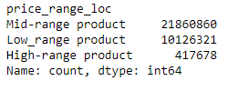 | 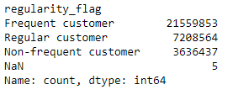
ords_prods_merged_flagged | 'max_order' | 'order_number' | The highest order number for each customer ['order_number'].transform(np.max)
ords_prods_merged_flagged | 'loyalty_flag' | 'max_order' | ords_prods_merge.loc[ords_prods_merge['max_order'] > 40, 'loyalty_flag'] = 'Loyal customer' ords_prods_merge.loc[(ords_prods_merge['max_order'] <= 40) & (ords_prods_merge['max_order'] > 10), 'loyalty_flag'] = 'Regular customer' ords_prods_merge.loc[ords_prods_merge['max_order'] <= 10, 'loyalty_flag'] = 'New customer' | 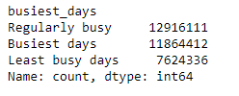 |  | 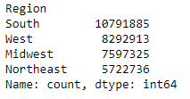
ords_prods_merged_flagged | 'mean_order_price' | 'price' | The mean order price amount for each customer ['price'].transforms(np.mean)
ords_prods_merged_flagged | 'spending_flag' | 'mean_order_price' | ords_prods_merge.loc[ords_prods_merge['mean_order_price'] < 10, 'spending_flag'] = 'Low spender' ords_prods_merge.loc[ords_prods_merge['mean_order_price'] >= 10, 'spending_flag'] = 'High spender'
ords_prods_merged_flagged | 'mean_days_since_prior_order' | 'days_since_prior_order' | The mean number of days between each customer's orders ['days_since_prior_order'].transform(np.mean)
ords_prods_merged_flagged | 'regularity_flag' | 'mean_days_since_prior_order' | ords_prods_merge.loc[ords_prods_merge['mean_days_since_prior_order'] > 20, 'regularity_flag'] = 'Non-frequent customer' ords_prods_merge.loc[(ords_prods_merge['mean_days_since_prior_order'] > 10) & (ords_prods_merge['mean_days_since_prior_order'] <=20), 'regularity_flag'] = 'Regular customer' ords_prods_merge.loc[ords_prods_merge['mean_days_since_prior_order'] <= 10, 'regularity_flag'] = 'Frequent customer'
orders_products_all | 'Region' | 'State' | result = [] for value in df['State']: if value in ('Maine', 'New Hampshire', 'Vermont', 'Massachusetts', 'Rhode Island', 'Connecticut', 'New York', 'Pennsylvania', 'New Jersey'): result.append('Northeast') elif value in ('Wisconsin', 'Michigan', 'Illinois', 'Indiana', 'Ohio', 'North Dakota' , 'South Dakota', 'Nebraska', 'Kansas', 'Minnesota', 'Iowa', 'Missouri'): result.append('Midwest') elif value in ('Delaware', 'Maryland', 'District of Columbia', 'Virginia', 'West Virginia', 'North Carolina', 'South Carolina', 'Georgia', 'Florida', 'Kentucky', 'Tennessee', 'Mississippi', 'Alabama', 'Oklahoma', 'Texas', 'Arkansas', 'Louisiana'): result.append('South') elif value in ('Idaho', 'Montana', 'Wyoming', 'Nevada', 'Utah', 'Colorado', 'Arizona', 'New Mexico', 'Alaska', 'Washington', 'Oregon', 'California', 'Hawaii'): result.append('West') else: result.append('Unknown')
orders_products_all | 'exclusion_flag' | 'max_order' | df['exclusion_flag'] = np.where(df['max_order'] < 5, 'Yes', 'No')
orders_products_all | 'age_range' | 'Age' | df.loc[df['Age'] <=34, 'age_range'] = 'Young' df.loc[(df['Age'] >=35) & (df['Age'] <= 64), 'age_range'] = 'Middle-Aged' df.loc[df['Age'] >= 65, 'age_range'] = "Older"
orders_products_all | 'prices_total' (renamed 'order_total' later) | 'prices' | df['prices_total'] = df.groupby('order_id')['prices'].transform('sum')
orders_products_all | 'income_flag' | 'income' | df.loc[df ['income'] <= 99676, 'income_flag'] = 'below average' df.loc[df ['income'] > 99676, 'income_flag'] = 'above average'

6. Visualizations
Visualisations

What are the busiest days of the week and hours of the day?
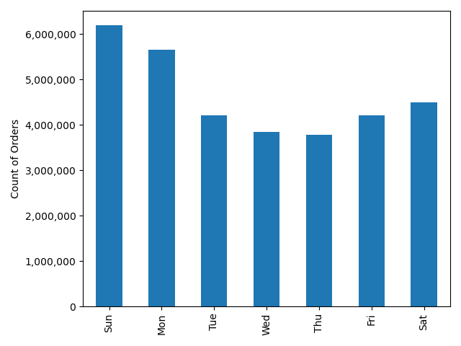
The busiest days per week with the most orders are Sundays and Mondays.
Busiest Days
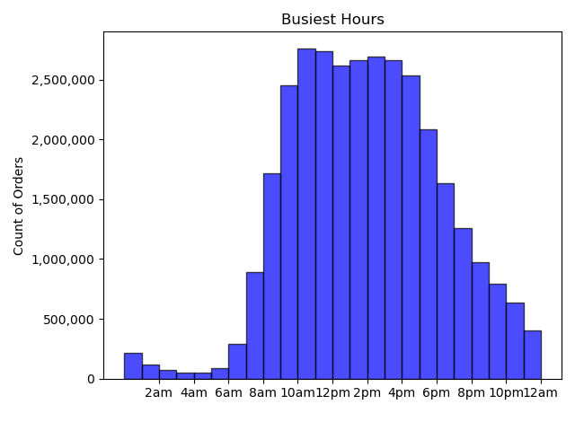
The busiest hours per day with the most orders are between the hours of 9 a.m. and 5 p.m., with the highest peak between 10 a.m. and 12 p.m.

What times of day do people spend the most money?
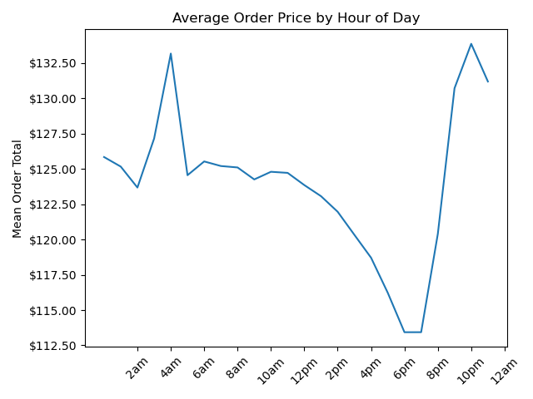
People spend the most money per order averaged between 9 p.m. and 8 a.m.
However, order numbers are doing the opposite (rising in late morning through early afternoon and then fall in evening and nighttime hours.) There is a large dip in the amount of money people spend from about 2 to 8 p.m. With the biggest dip from 6 to 7 p.m.

How could Instacart have simpler price tag groupings?

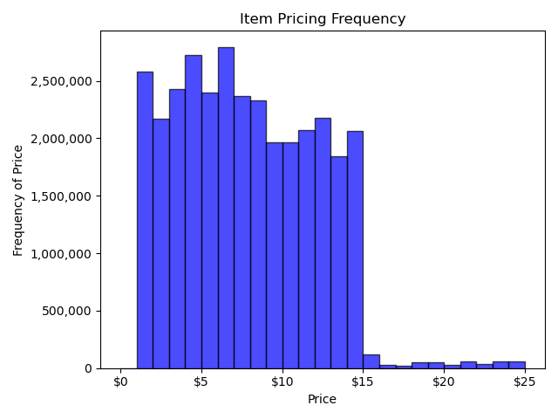
This chart shows that there is a big customer preference for items that cost $15 or less. Groupings should keep this in mind. A low range product could be from 1 to 8 dollars. A mid-range product could be from 9 to 14 dollars. And a high-range product could be from 15 to 25 dollars.

Which departments have the highest frequency of product orders?
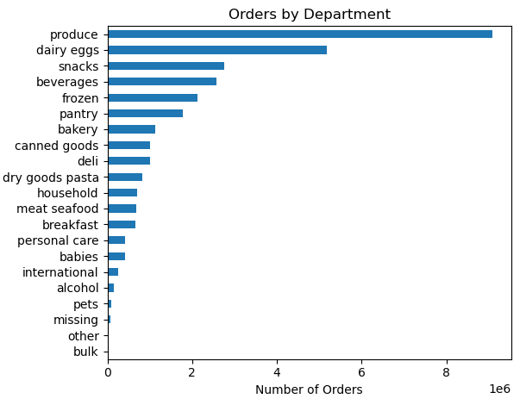
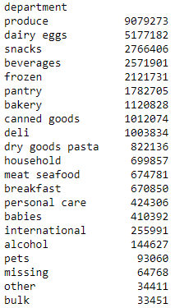

Below average income people are more likely to order from both the 'snacks' and 'alcohol' departments. Middle-Aged people are more likely to order from the 'snacks' and 'alcohol' departments than any other age group. However, when we take income and age range together, above average income middle-aged and older customers are more likely to order from 'snacks' and 'alcohol' than the same age groups who are below average income. But in the young age group, below average income customers order from the snacks and alcohol departments 97% and 90% more often, respectively.
It seems that advertising snacks to below average income young people is already working. But, since middle-aged people order more snacks on average and those with above average income order more, we should consider advertising more high-end snacks toward middle-aged people.

What is the distribution among users in regards to their brand loyalty? And, how often do they return to Instacart?
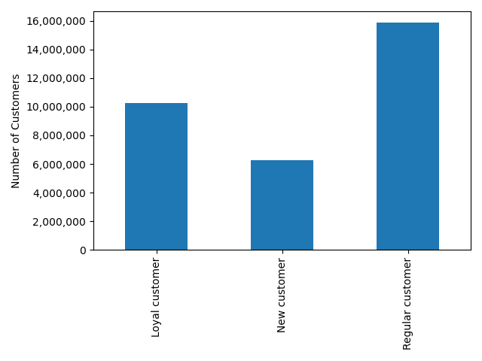
What is the Instacart brand loyalty? We have around 10.3 million loyal customers (>40 orders), around 15.9 million regular customers (<=40 & >10 orders), and around 6.2 million new customers (<10 orders).
Brand Loyalty
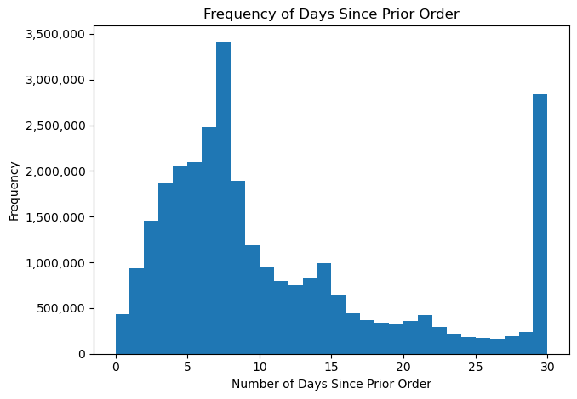
The largest number of customers are ordering every 8 days. We can assume these are mainly loyal and regular customers since they average 6 to 12 days between orders respectively. There is another large spike at 30 days. These are likely to be mainly new customers who haven't yet become brand loyal.

Are there differences in ordering habits based on a customer's loyalty status?
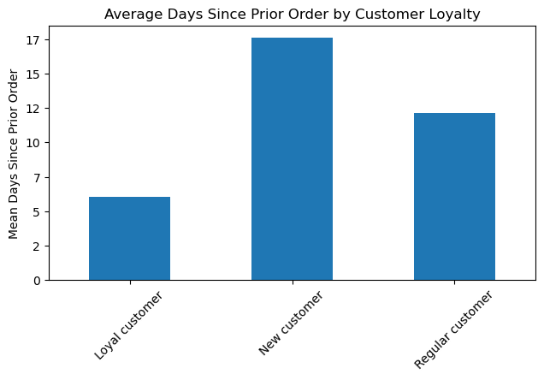
Loyal customers (>40 orders) order more often, averaging about 6 days between orders. Regular customers (<=40 & >10 orders) order around every 12 days. And new customers (<10 orders) order about every 18 days.

Are there differences in ordering habits based on a customer's region?
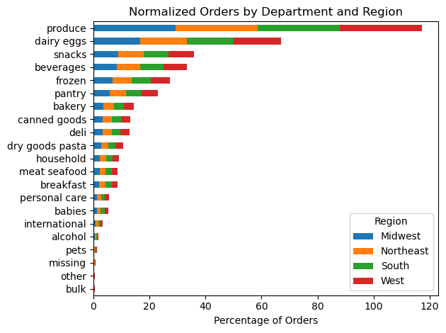
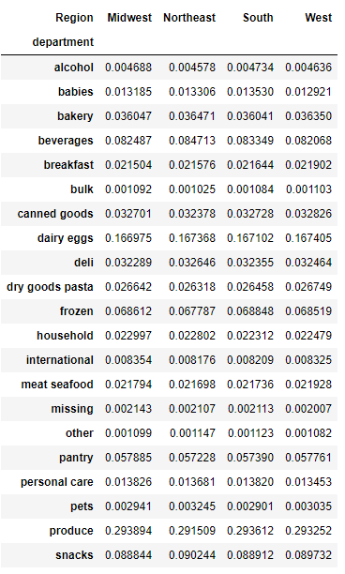
When we look at the department orders by region and normalize for the number of customers in each region, we can see that the spread of orders across departments is nearly the same in each region. Customers in one region of the US do not order significantly more or less in any department than customers in any other region.
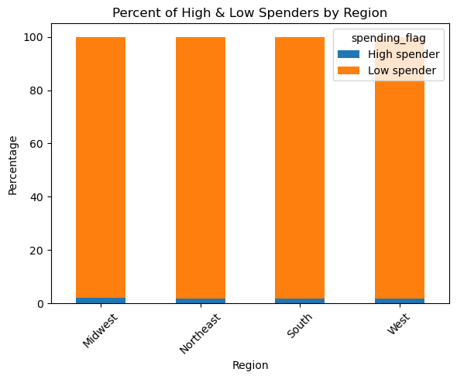
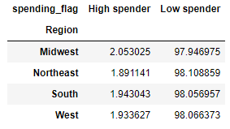
There is no significant regional difference between the percentages of high and low spenders. High spenders are right around 2% in each region, and low spenders are right around 98% in each region.

Is there a connection between age and family status in terms of ordering habits?
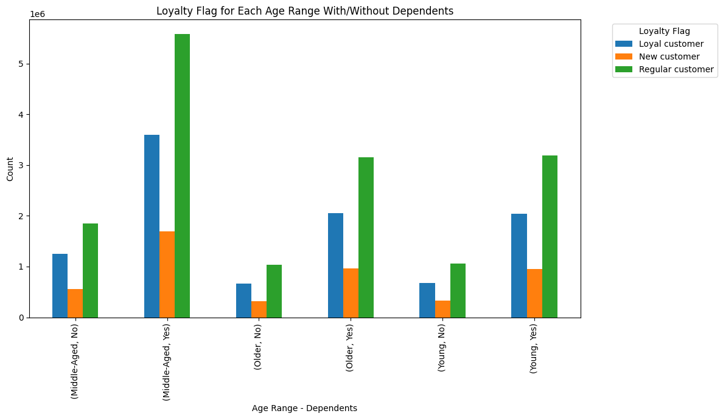
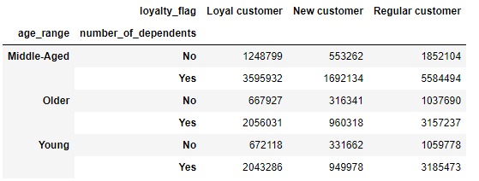
Has Dependents?

To indicate family status, I used whether or not a customer has dependents. For every age range and faimily status combination, there is the same distribution of customer loyalty. For each combination, the smallest number of customers fall into the new customer category, the middle number of customers fall into the loyal customer category, and the largest number of customers fall into the regular customer category.

What different classifications does the demographic information suggest?
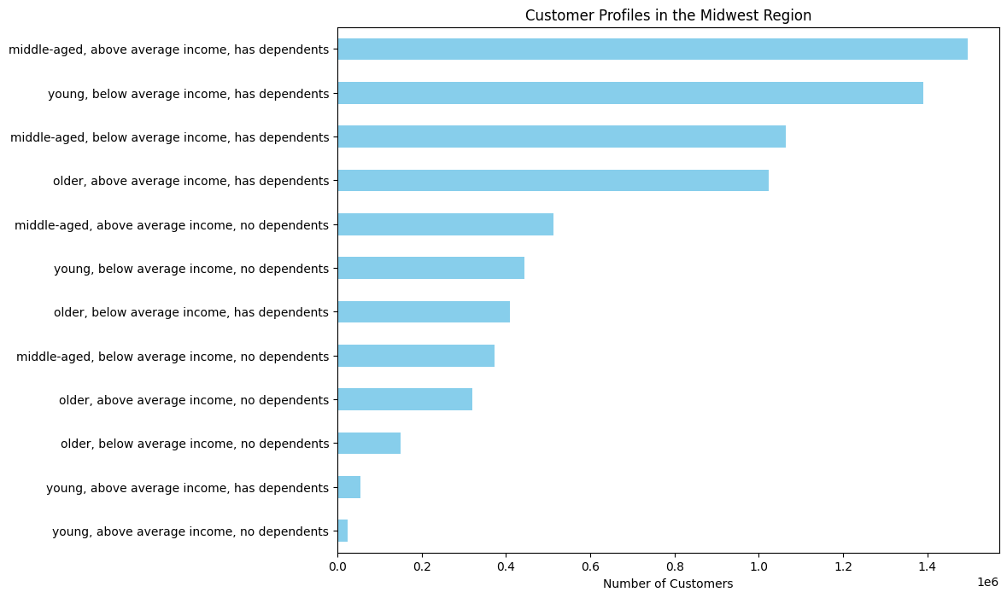
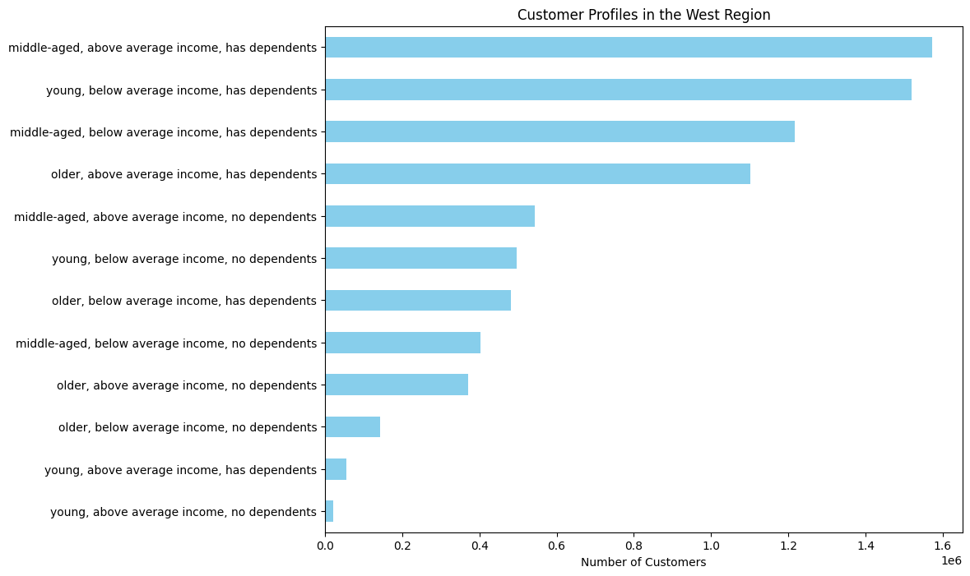

I created profiles on the age range, income level, and whether or not a customer has dependents.
In the Midwest, West, and Northeast regions the top two largest customer profiles are middle-aged, above average income, has dependents; and young, below average income, has dependents.
In the South region, the the top two largest customer profiles are the same two, but in reversed order.
In all regions the bottom two customer profiles are young, above average income, has dependents; and young, above average income, no dependents.
Overall, having dependents is more common than not having dependents, and very few customers are both young and have above average income.

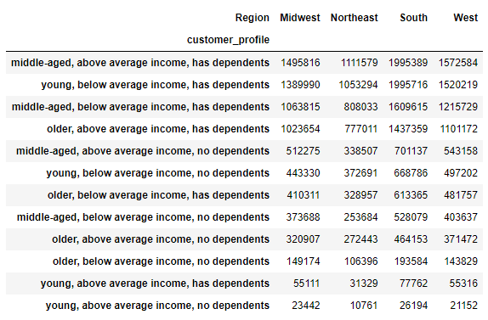

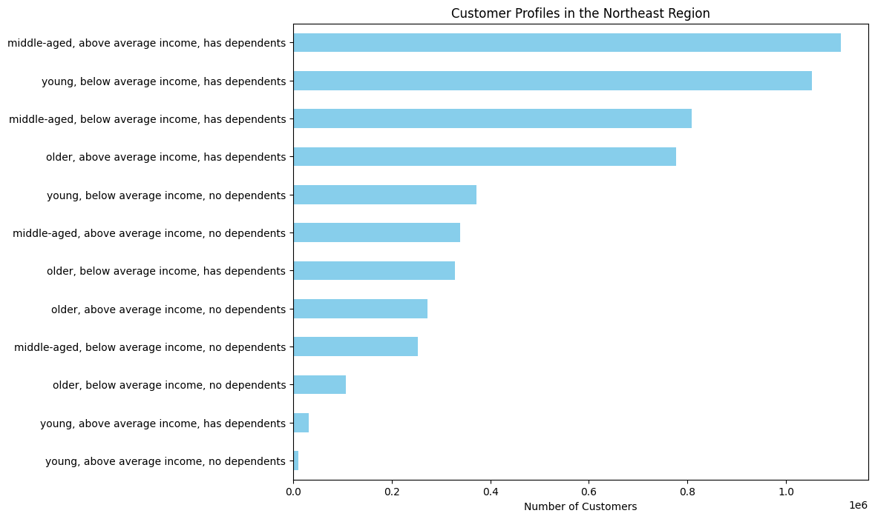
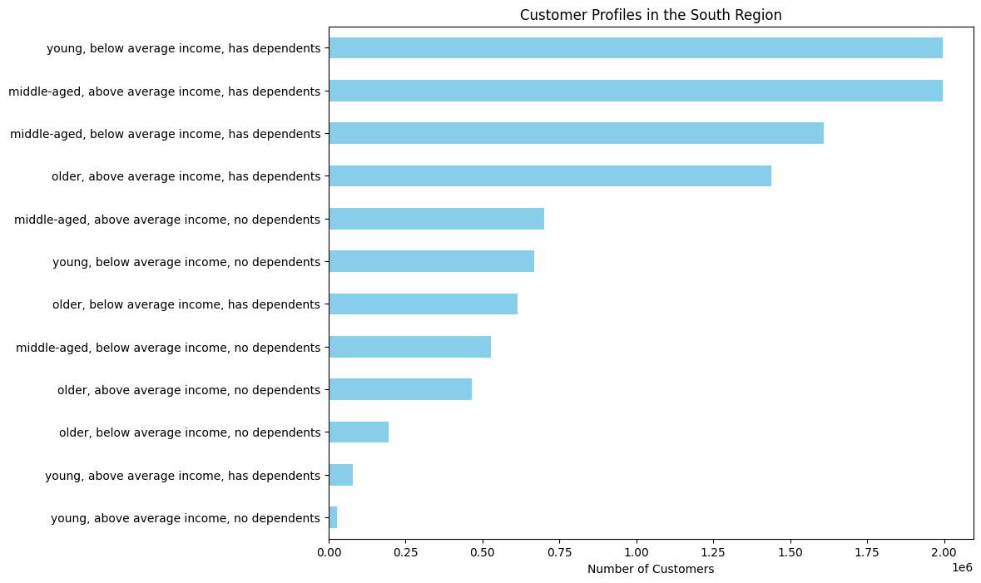

What differences can you find in ordering habits of different customer profiles?

Eventhough my profile groupings included whether or not customers had dependents, I did not find many difference in the normalized data for customers who had dependents compared to those who did not. So, I focused my investigation into ordering habits by profile on age range and income level.

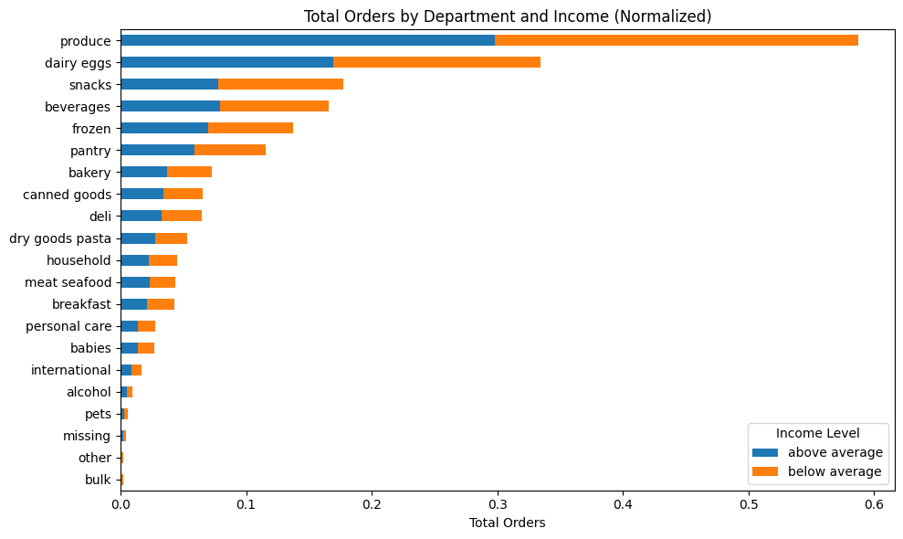
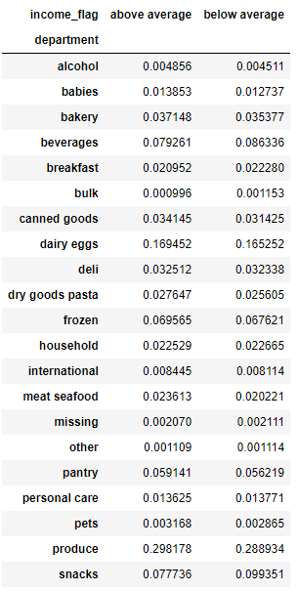
When we look at the department orders by above and below average income* and normalize for the number of customers in each income category, we can see that the spread of orders across departments is nearly the same for both income categories. The only departments with a more than 1% difference in order frequency are:
Snacks: 7.8% for above average income and 9.9% for below average income.
Beverages: 7.9% for above average income and 8.6% for below average income.
* Mean average income for all customers is $99,676. Below average income is <= $99,676
Above average income is > $99,676

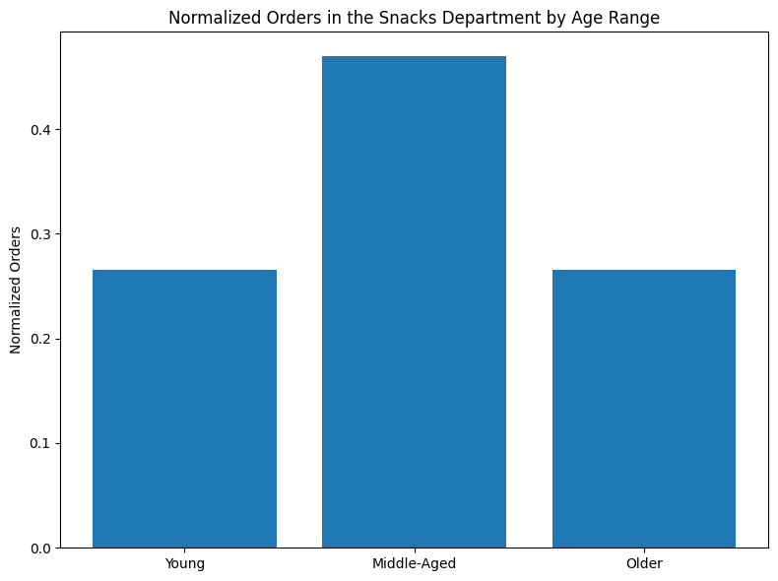
This bar chart shows that middle-aged people account for nearly 47% of the orders in the snacks department even when the data is normalized across age ranges.
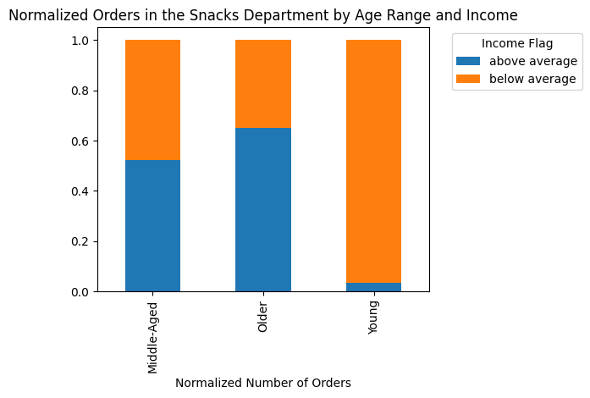
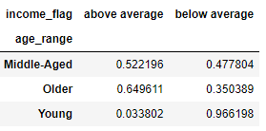
This bar chart shows that when age range and income are normalized across customers and we look at orders from the snacks department . . .
* Middle-Aged, Above Average Income: 52%
* Middle-Aged, Below Average Income: 48%
* Older, Above Average Income: 65%
* Older, Below Average Income: 35%
* Young, Above Average Income: 3%
* Young, Below Average Income: 97%
From this we can conclude that above average income young people are the least likely to order from the snacks department. We can also conclude that since below average income young people are so much more likely to order from the snacks department, they are the cause of the first chart in this row showing that below average income people order from the snacks department nearly 15% more often (because here we can see that in the middle-aged and older age groups, it is above average income customers who order more from the snacks department in their age groups).
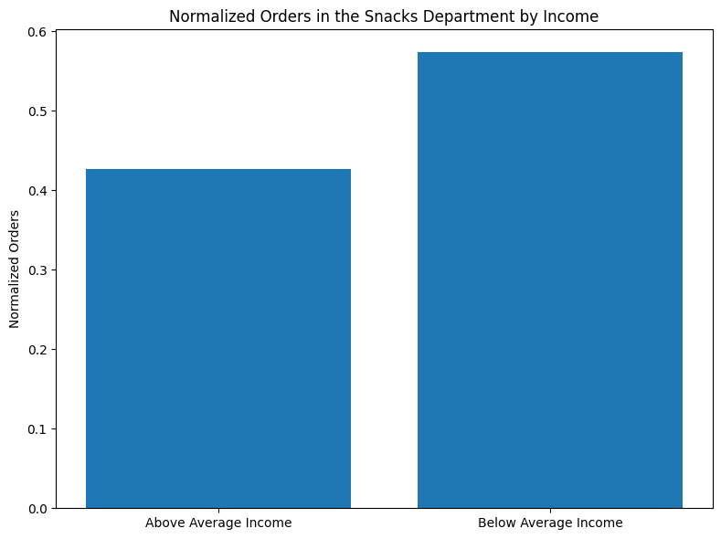
This bar chart shows that below average income people order from the snacks department nearly 15% more often when data is normalized across income levels.

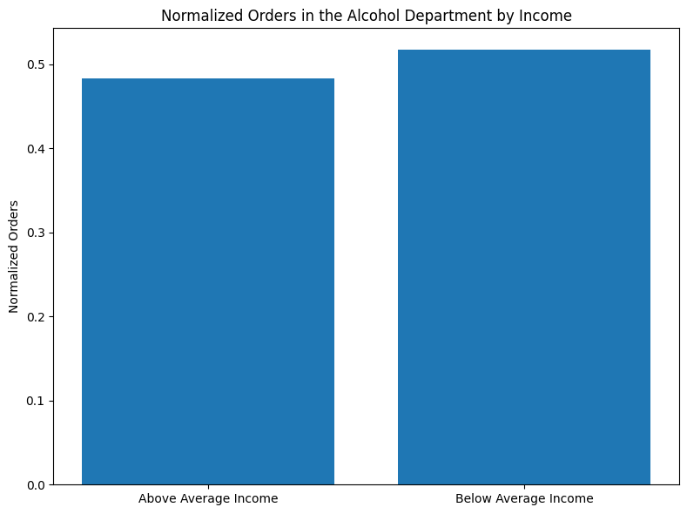
This bar chart show that below average income people order from the alcohol department just over 3% more often (when data is normalized by income range).
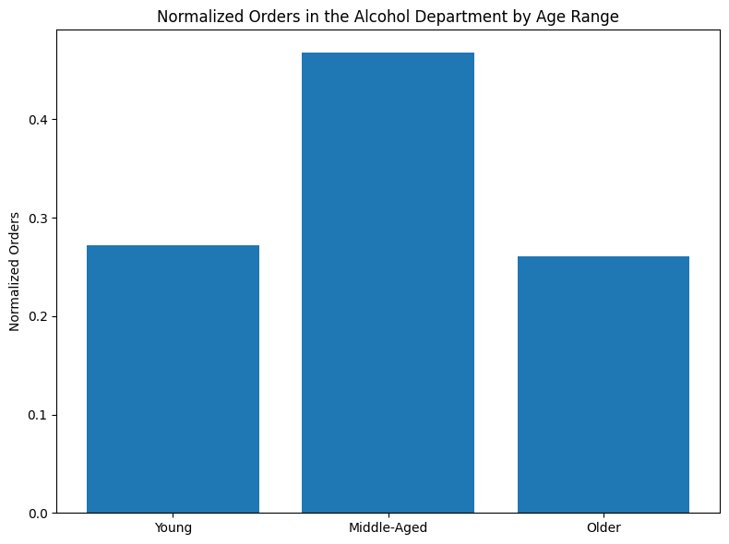
This bar chart show that middle-aged people account for nearly 47% of the orders alcohol department when the data is normalized across age ranges.
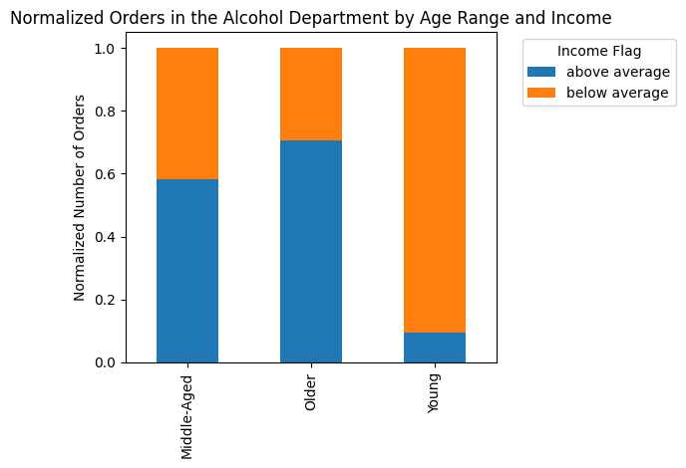
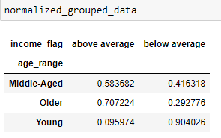
This bar chart shows that when age range and income is normalized across customers and we look at orders from the alcohol department . . .
* Middle-Aged, Above Average Income: 58%
* Middle-Aged, Below Average Income: 42%
* Older, Above Average Income: 71%
* Older, Below Average Income: 29%
* Young, Above Average Income: 10%
* Young, Below Average Income: 90%
From this we can see that above average income young people are the least likely to order from the alcohol department. Where as, in the middle-aged and older age ranges, it is the above average income customers who more often order from the alcohol department.

Other Significant Findings

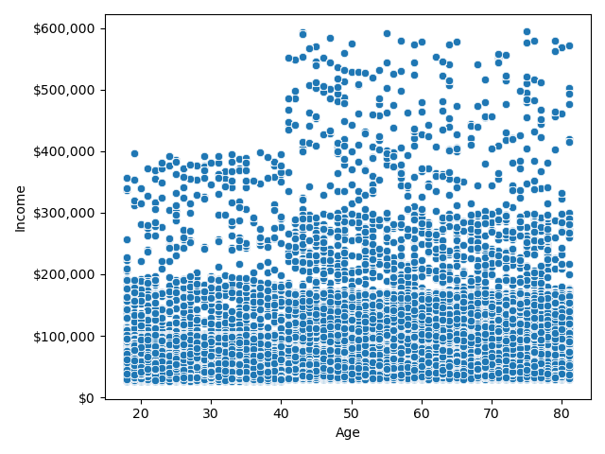
The scatterplot shows that incomes of 200,000 dollars or less is densely and evenly distributed across all ages. Most people with incomes of 200,000 dollars to 300,000 dollars are aged 40 and above. Incomes of 300,000 to 400,000 dollars is evenly distributed across all ages. And incomes of 400,000 to 600,000 dollars is exclusively concentrated in those aged 40 and above.
Income and Age

7. Recommendations
Recommendations

Question | Answer

What are the busiest days of the week and hours of the day? | The busiest days per week with the most orders are Sundays and Mondays. The busiest hours per day with the most orders are between the hours of 9 a.m. and 5 p.m., with the highest peak between 10 a.m. and 12 p.m. I suggest timing advertising to take advantage of the times when people do the most grocery shopping. Perhaps pushing more ads on Saturday evenings and Sunday mornings as people are planning their grocery needs for the week. Also, timing all weekly ads to hit the peak ordering hours.

What times of day do people spend the most money? | People spend the most money per order between 9 p.m. and 8 a.m.
 | While, as mentioned above, the number of orders have an opposite trend (rising through the day and falling in evening and nighttime hours.) So, at the times when people spend the most per order, is also when there are the fewest orders. There is a large dip in the amount of money people spend from about 2 to 8 p.m. With the biggest dip from 6 to 7 p.m. A likely explanation is that these are work, commuting, and dinner hours when people only have time for small, quick orders, perhaps for that very evening's meal. I recommend advertising higher priced items during evening and nighttime hours when people are more likely to make impulse purchases. Also, I reccommend advertising dinner supplies in the late afternoon and early evening when customers may be making small orders for that day. This may increase the number of items they order or remind those who aren't yet thinking about that evening of what they may need.

How could Instacart have simpler price tag groupings? | There is a big customer preference for items that cost $15 or less. I suggest price groupings of $1 - $8, $9 - $14, and $15 - $25. Most of the products fall in to the $1- $14 range. Those items $15 and up could be considered high-priced products that could be advertised over the late evening and nighttime hours when customers are more likely to order high-priced products.

Which departments have the highest frequency of product orders? | The top 5 departments for order frequency are: * produce (9,079,273 orders) * dairy/eggs (5,177,182 orders) * snacks (2,766,406 orders) * beverages (2,571,901 orders) * frozen (2,121,731 orders) Produce is the department most frequently ordered from by a very large amount. And dairy/eggs is the second department most frequently ordered from by a very large amount. After those first two, the other departments descend in orders much more gradually. Knowing that customers mostly want produce and dairy/egg products, the availability of these products should be emphasized in our advertising.

What is the distribution among users in regards to their brand loyalty? And, how often do they return to Instacart? | We have around 10.3 million loyal customers (>40 orders), around 15.9 million regular customers (<=40 & >10 orders), and around 6.2 million new customers (<10 orders). The largest number of customers are ordering every 8 days. These are mainly loyal and regular customers since those two groups average 6 to 12 days between orders respectively. There is another large spike of days between orders at 30 days. These are likely to be mainly new customers who haven't yet become brand loyal. The data showing the number of days since a prior order stops at 30 days, and I am guessing this spike at 30 days is because customers who wait longer than 30 days are captured in the 30 days category. This is something to ask the client about to confirm the reasons for this spike. I recommend targeting advertising to our customers who have waited just short of 2 weeks since their last order because after 14 days, the number of reorders drops quickly. The longer Instacart stays out of their mind, the less likely they are to make another order. Also, we should consider offering insentives to those who are regularly waiting 14 days or more between orders, such as discounts, and coupons.

Are there differences in ordering habits based on a customer's loyalty status? | Loyal customers (>40 orders) order more often, averaging about 6 days between orders. Regular customers (<=40 & >10 orders) order around every 12 days. And new customers (<10 orders) order about every 18 days.
 | As mentioned above, we could offer new customers extra discounts to encouage more frequent ordering to help secure their brand loyalty. Also, 'new customers' is our smallest category. This is likely because they only need to order 10 times before becoming regular customers. Where as our regular customers need to order >40 times to be come loyal customers, and that takes a longer time. Thus, our regular customers are the largest category. The more frequently they order, the more quickly they will become loyal customers. Incentives should be offered to our regular customers to encourage more frequent ordering. And, they should be sent ads during high-order times (10 a.m. to 12 p.m.) to promote more frequent orders.

Are there differences in ordering habits based on a customer's region? | When looking at normalized data by region, there are not any significant differences in department orders between regions. Customers in one region of the US do not order significantly more or less in any department than customers in any other region. There are also no significant regional differences between the percentages of high and low spenders. Because of this, marketing strategies do not need to customize by region.

Is there a connection between age and family status in terms of ordering habits? | There is no connection between age, family status (for the purposes of this analysis family status is based on having or not having dependents), and ordering habits. For each combination of age range and family status, there is the same distribution of new customers, regular customers, and loyal customers. I looked at the connection between age and family status by department in subsequent questions below. Due to the lack of connection between frequency of orders, age, and family status, I recommend not targeting advertising based on these factors combined.

What different classifications does the demographic information suggest? | For this analysis, profiles are based on age range, income level, and whether or not a customer has dependents.
 | In all regions, the top two largest customer profiles are middle-aged, above average income, has dependents; and young, below average income, has dependents. However, in the South, these are reversed for positions 1 and 2. In all regions the bottom two customer profiles are young, above average income, has dependents; and young, above average income, no dependents. Overall, having dependents is more common than not, and Instacart has very few customers who are both young and have above average income.
 | Instacart appeals most to middle-aged, above average income customers who have dependents and young, below average income customers who also have dependents. I suggest marketing focus on these demographics. Also, I recommend experimenting with marketing to younger people with above average incomes to reach farther into that untapped demographic.

What differences can you find in ordering habits of different customer profiles? | When we look at the department orders by above and below average income normalized by the number of customers in each income category, the spread of orders across departments is nearly the same for both income categories. Due to these minor differences, I do not recommend targeting certain departments to either above average income or below average income customers.
 | Snacks Department: Below average income customers and middle-aged customers order the most frequently from the snacks department, but young above average income young people very seldomly order from the snacks department (only 3% when normalized). Because of this, I suggest targeting snacks advertising to this demographic to grow sales in that area.
 | Alcohol Department: Below average income customers are only 3% more likely to order from the alcohol department. However, middle-aged customers account for 47% of alcohol orders when the data is normalized by age groups. And young, above average income customers are the least likely to order from the alcohol department. I recommend marketing to this age group to grow sales for that demographic.

Other Recommendations | The very high income ($400,000 or more/year) customers are nearly all age 40 and above. I recommend targeting this age range when marketing high priced items ($15 and up).

